Grant Proposal Timeline
SAMPLE PROPOSAL DEVELOPMENT TIMELINE
Stage 1 Due by: | Stage 2 Due by: | Stage 3 Due by: | Stage 4 Due by: | Stage 5 Due by:
#VALUE! | #VALUE! | #VALUE! | #VALUE! | [Enter Sponsor Deadline Here] | Chapman Holidays
3-6 months | 30 Days | 2-3 weeks | 1 week (5 business days) | SPONSOR DEADLINE | 2022-07-04
Develop proposal idea | Notify Sponsored Projects Analyst (SPA) and/or SPS Administrator of intent to submit | Initiate proposal routing in Cayuse SP | Final application to be provided to SPS for review | Upon PI approval, SPS to submit final proposal to sponsor | 2022-07-05
Identify Funding Opportunity Announcement (FOA) and evaluate eligibility | * Provide FOA information so SPA or SPS Administrator can begin to review guidelines | * Requires draft SOW, draft budget and draft budget justification | * SPS to provide thorough evaluation of the proposal in comparison with sponsor and FOA guidelines (if appropriate time is given for review) | *It is highly recommended that all proposals be submitted at least 1-2 business days before the sponsor deadline to allow for time to address any unforeseen issues (technical problems, high proposal volume for a specific FOA, etc.) | 2022-09-05
* COS Pivot is available to search for FOAs (https://pivot.proquest.com/funding_main) | Verify members of project team and submit required documents to collaborator sites for completion | PI and project team to complete development of project narrative | * SPS will not submit until PI provides approval of final proposal | Once submitted, SPS to provide confirmation to PI and/or SPA | 2022-11-24
Discuss with Chair/Dean, if required by your college | * Subaward budgets and justifications, Conflict of Interest Disclosures/Subrecipient Commitment Forms, etc. | SPA to work with PI to finalize proposal package and upload administrative supplemental documents, as required by sponsor | * SPS to provide PI and/or SPA with comments, issues, etc. found during proposal review |  | 2022-11-25
Identify possible collaborators, if applicable | Schedule planning meeting with SPA or SPS Administrator to review proposal requirements | SPA to work with PI to finalize budget and budget justification | PI and/or SPA to address any concerns and finalize application |  | 2022-12-23
* Discuss project plan and proposal development responsibilities with collaborators | Develop draft scope of work (SOW), draft Budget and Budget Justification for approvals routing | * SPS available to assist/provide guidance |  |  | 2022-12-26
* i.e., which team member(s) are responsible for which parts of the proposal | * SPA or SPS Administrator can assist with budget documents |  |  |  | 2022-12-27
Confirm system registrations, if required by sponsor | PI to continue working with proposal team to develop project narrative |  |  |  | 2022-12-28
Submit letter of intent (LOI) if required by sponsor (route to SPS if institutional submission is needed) |  |  |  |  | 2022-12-29
 |  |  |  |  | 2022-12-30
 |  |  |  |  | 2023-01-02
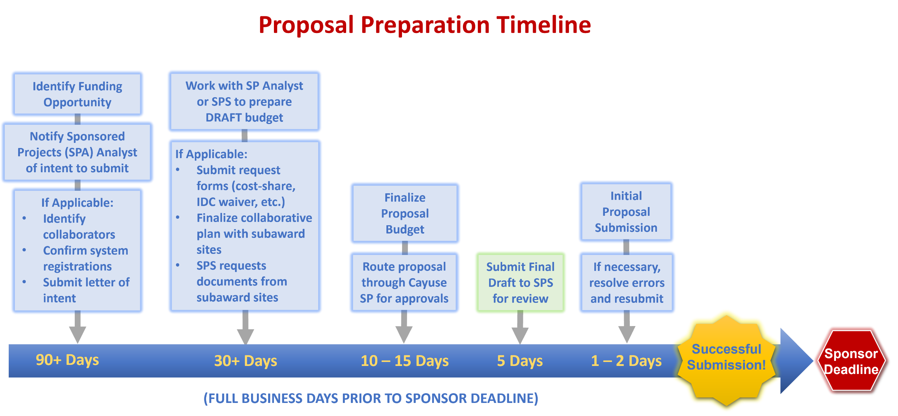
 |  |  |  |  | 2023-01-16
 |  |  |  |  | 2023-03-24
 |  |  |  |  | 2023-05-29
 |  |  |  |  | 2023-06-19
 |  |  |  |  | 2023-07-03
 |  |  |  |  | 2023-07-04

